Sheet1
 |  | Document No. | Issue No. | Issue Date |  | Review and Replace Date |  |  | Authorised By
 |  | GFF246MC | 1 | 12.11.2020 |  | New Issue |  |  | Magda Shah
 |  | Document Title | 10 Hot & Spicy Bhaji 1000g - Deli Counter
Document amendments reason for change |  | New launch |  |  | Page 1 of 1 |  | Previous Issue Date | New Issue | Uncontrolled copy unless signed original

COBL4-B10TEB | BOOTHS - DELI |  | HOT & SPICY BHAJI 1000G | CHILLED
STEP 1 |  |  |  |  | STEP 2
 |  |  |  |  | 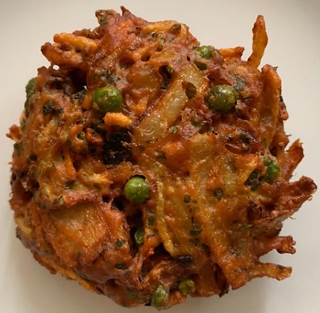

Tray: H320/60 -CLEAR (596) (PKNUT001-05) |  |  |  |  | 10 x HOT & SPICY BHAJI 100G (GFF334R) 1000g
Film: Reel Anti Fog Membrane- PP410 AF (PKPRO001-10)
STEP 3
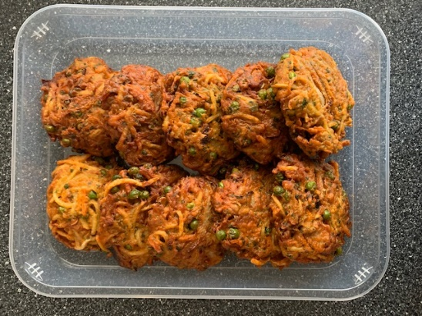

TOTAL WEIGHT: 1000g

ALLERGY ALERT: NONE

